Sheet1
 |  | Document No. | Issue No. |  | Issue Date |  | Review and Replace Date |  | Authorised By
 |  | GFF022MC | 2 |  | 01.10.2018 |  | 09.10.2020 |  | Magda Shah
 |  | Document Title | 6 Stuffed Jalapeno Peppers 220g
Document amendments reason for change |  | Weight change |  | Page 1 of 1 |  | Previous Issue Date |  | 01.10.2018 | Uncontrolled copy unless signed original

CJALPB1-2R1TEB | BOOTHS - XMAS |  | 6 STUFFED JALAPENO PEPPERS 220g
STEP 1 |  |  |  |  |  | STEP 2
 |  |  |  |  |  | 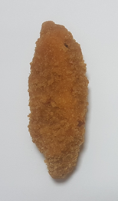

Tray: SK4-Plain Clear (PKESS001-07) |  |  |  |  |  | 6 X STUFFED JALAPENO PEPPERS (RMSAL001-05)(Salud) 37g
Film: ME410A Antifog WELD seal (PKPRO001-12) (PROMENS)
STEP 3
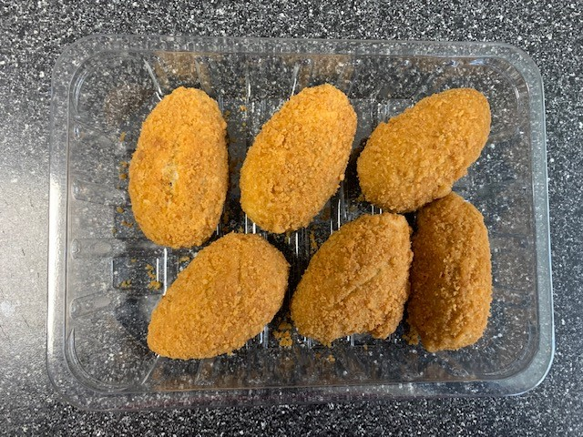

TOTAL WEIGHT: 220g (6 units)

ALLERGY ALERT: Milk, Wheat

